Menu
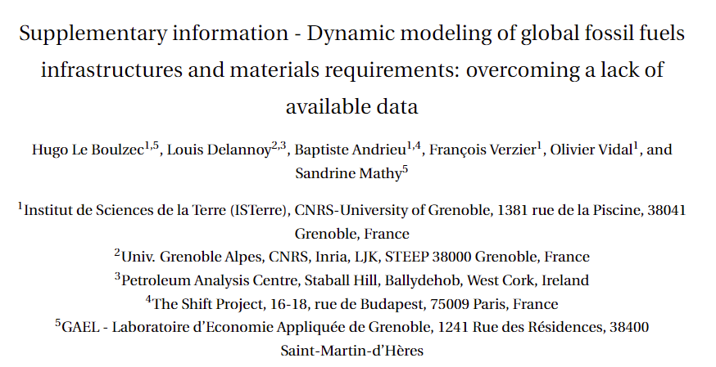

Sheet 1 | Histo primary energy supply | Historical primary fossil energy supply
Sheet 2 | Infrastructures - histo data | Historical infrastructure stocks
Sheet 3 | Historical traded fuels | Historical global hydrocarbons traded as share of total supply
Sheet 4 | Prospective traded fuels | Future global hydrocarbons traded as share of total supply
Sheet 5 | Fuels supply by type | Global conventional and non-conventional hydrocarbons supply as share of total supply
Sheet 6 | Infrastructures - modeled | Modeled infrastructure stocks
Sheet 7 | Material intensities | Material intensities
Sheet 8 | Technology assumptions | Technology assumptions
Sheet 9 | Energy intensities | Primary and secondary energy intensities
Sheet 10 | Lifetimes | Parameters of the normal lifetime distributions

